CircularPond
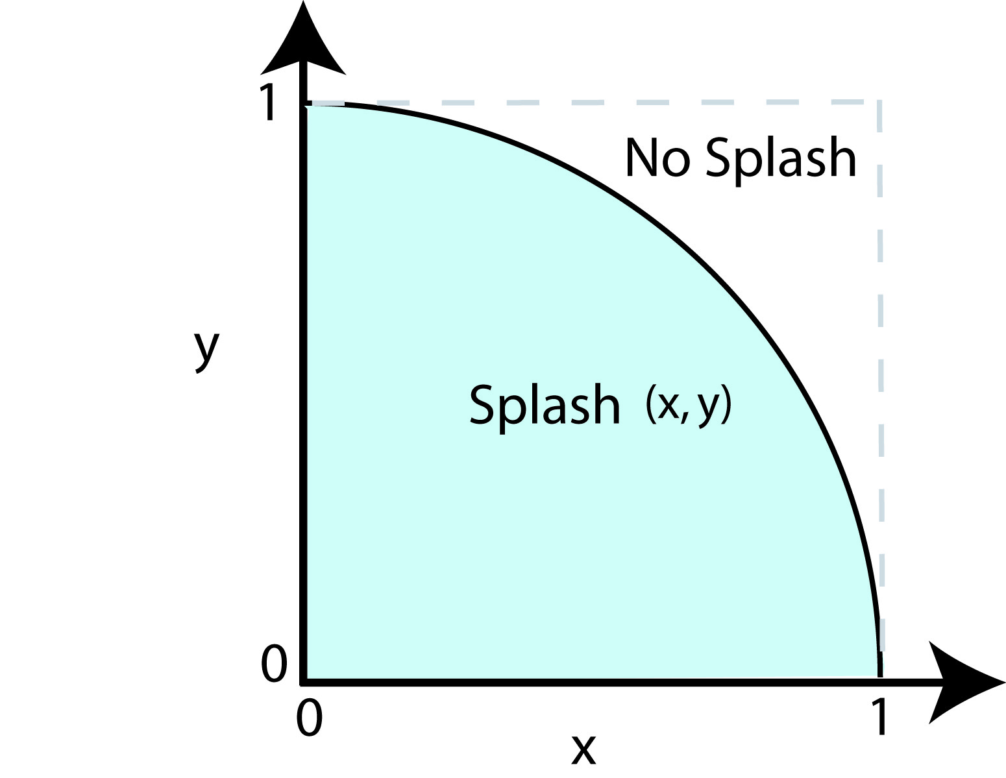
 |  |  |  | A quarter of a unit circle whose area is to be determined by stone throwing. If the stone lands at (x, y) and (x^2+y^2) ≤ 1, then a splash occurs.

 |  |  |  | Nsplash | 15 | π ≅ 4 x (Nsplash/Ntot)
 |  |  |  | Ntot | 19 | 3.1578947368

Stone # | Random Numbers | Coordinates of Landing Position |  | Did a splash occur?
N | ri | xi | yi | Is (x^2+y^2) ≤ 1?
1 | 0.13357452587 | 0.13357452587 | 0.99510976463 | no
2 | 0.99510976463 | 0.99510976463 | 0.63842973387 | no
3 | 0.63842973387 | 0.63842973387 | 0.19730262977 | yes
4 | 0.19730262977 | 0.19730262977 | 0.53892588633 | yes
5 | 0.53892588633 | 0.53892588633 | 0.23450247487 | yes
6 | 0.23450247487 | 0.23450247487 | 0.72529796497 | yes
7 | 0.72529796497 | 0.72529796497 | 0.28616070289 | yes
8 | 0.28616070289 | 0.28616070289 | 0.19744988008 | yes
9 | 0.19744988008 | 0.19744988008 | 0.38203227928 | yes
10 | 0.38203227928 | 0.38203227928 | 0.59592518233 | yes
11 | 0.59592518233 | 0.59592518233 | 0.56868414317 | yes
12 | 0.56868414317 | 0.56868414317 | 0.52938254103 | yes
13 | 0.52938254103 | 0.52938254103 | 0.4833382981 | yes
14 | 0.4833382981 | 0.4833382981 | 0.43396171523 | yes
15 | 0.43396171523 | 0.43396171523 | 0.8683106648 | yes
16 | 0.8683106648 | 0.8683106648 | 0.6349114365 | no
17 | 0.6349114365 | 0.6349114365 | 0.11179421395 | yes
18 | 0.11179421395 | 0.11179421395 | 0.48534137677 | yes
19 | 0.48534137677 | 0.48534137677 | 0.95625203909 | no
20 | 0.95625203909

ArbShapePond
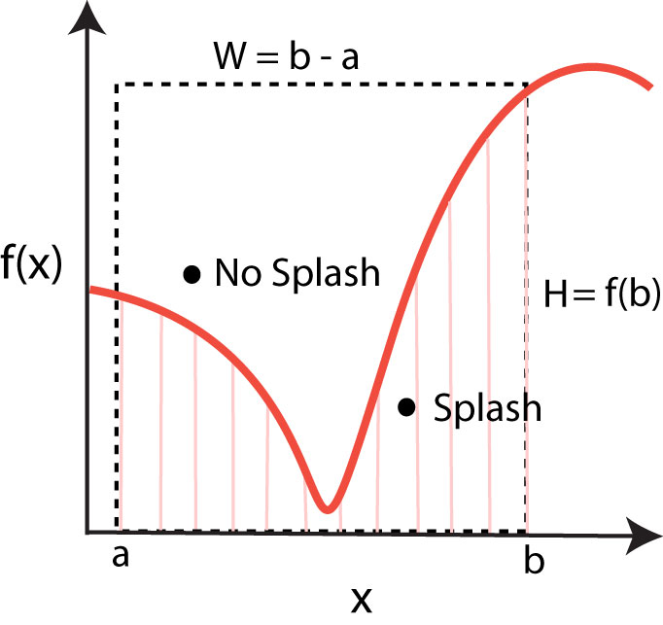
 |  |  |  | f(x) = x |  |  | Area = W x H x Nsplash/Ntot |  |  |  |  | f(x) =x sin2x |  |  | Area = W x H x Nsplash/Ntot
 |  |  |  | a | 0 |  | 12.5 |  |  |  |  | a | 0 |  | 4.4879895051
 |  |  |  | b | 5 |  |  |  |  |  |  | b | 6.2831853072
 |  |  |  | Box Width | 5 |  |  |  |  |  |  | Box Width | 6.2831853072
 |  |  |  | Box Hight | 5 |  | Analytical Solution |  |  |  |  | Box Hight | 5 |  | Analytical Solution
 |  |  |  | Nsplash | 7 |  | 12.5 |  |  |  |  | Nsplash | 2 |  | 9.8696044011
 |  |  |  | Nbox | 7 |  |  |  |  |  |  | Nbox | 12
 |  |  |  | Ntot | 14 |  |  |  |  |  |  | Ntot | 14

 |  |  |  | Stone Landing Position |  |  |  |  |  |  |  | Stone Landing Position
N | ri | r2i | r2i-1 | xi | yi | f(xi) | Splash? | N | ri | r2i | r2i-1 | xi | yi | f(xi) | Splash?
1 | 0.048373878793 | 0.048373878793 | 0.82304209109 | 0.24186939397 | 4.1152104555 | 0.24186939397 | no | 1 | 0.34213180599 | 0.34213180599 | 0.93736509601 | 2.1496775365 | 4.6868254801 | 1.5062682465 | no
2 | 0.82304209109 | 0.82304209109 | 0.46108247124 | 4.1152104555 | 2.3054123562 | 4.1152104555 | yes | 2 | 0.93736509601 | 0.93736509601 | 0.92424232607 | 5.8896385987 | 4.6212116304 | 0.86605062309 | no
3 | 0.46108247124 | 0.46108247124 | 0.88300066968 | 2.3054123562 | 4.4150033484 | 2.3054123562 | no | 3 | 0.92424232607 | 0.92424232607 | 0.90474884088 | 5.8071858034 | 4.5237442044 | 1.2193466943 | no
4 | 0.88300066968 | 0.88300066968 | 0.14341548927 | 4.4150033484 | 0.71707744633 | 4.4150033484 | yes | 4 | 0.90474884088 | 0.90474884088 | 0.05627228865 | 5.6847046237 | 0.28136144325 | 1.8043587816 | yes
5 | 0.14341548927 | 0.14341548927 | 0.62416618362 | 0.71707744633 | 3.1208309181 | 0.71707744633 | no | 5 | 0.05627228865 | 0.05627228865 | 0.05817821474 | 0.35356921725 | 0.2908910737 | 0.042388700389 | no
6 | 0.62416618362 | 0.62416618362 | 0.39860032253 | 3.1208309181 | 1.9930016126 | 3.1208309181 | yes | 6 | 0.05817821474 | 0.05817821474 | 0.77868572381 | 0.36554450405 | 3.893428619 | 0.046707863133 | no
7 | 0.39860032253 | 0.39860032253 | 0.26006839621 | 1.9930016126 | 1.3003419811 | 1.9930016126 | yes | 7 | 0.77868572381 | 0.77868572381 | 0.17552188657 | 4.8926266987 | 0.87760943283 | 4.7354002654 | yes
8 | 0.26006839621 | 0.26006839621 | 0.34213583678 | 1.3003419811 | 1.7106791839 | 1.3003419811 | no | 8 | 0.17552188657 | 0.17552188657 | 0.35256004363 | 1.1028365388 | 1.7628002182 | 0.87845247109 | no
9 | 0.34213583678 | 0.34213583678 | 0.3975838077 | 1.7106791839 | 1.9879190385 | 1.7106791839 | no | 9 | 0.35256004363 | 0.35256004363 | 0.92816380008 | 2.215200086 | 4.6408190004 | 1.4158079814 | no
10 | 0.3975838077 | 0.3975838077 | 0.23207747577 | 1.9879190385 | 1.1603873788 | 1.9879190385 | yes | 10 | 0.92816380008 | 0.92816380008 | 0.58830758559 | 5.8318251513 | 2.941537928 | 1.1095724498 | no
11 | 0.23207747577 | 0.23207747577 | 0.12909219594 | 1.1603873788 | 0.64546097972 | 1.1603873788 | yes | 11 | 0.58830758559 | 0.58830758559 | 0.24001878174 | 3.6964455779 | 1.2000939087 | 1.0259023228 | no
12 | 0.12909219594 | 0.12909219594 | 0.83445314523 | 0.64546097972 | 4.1722657261 | 0.64546097972 | no | 12 | 0.24001878174 | 0.24001878174 | 0.48382235663 | 1.5080824829 | 2.4191117831 | 1.5021589269 | no
13 | 0.83445314523 | 0.83445314523 | 0.19801037857 | 4.1722657261 | 0.99005189286 | 4.1722657261 | yes | 13 | 0.48382235663 | 0.48382235663 | 0.54661211878 | 3.0399455225 | 2.7330605939 | 0.031301114879 | no
14 | 0.19801037857 | 0.19801037857 | 0.46355193269 | 0.99005189286 | 2.3177596634 | 0.99005189286 | no | 14 | 0.54661211878 | 0.54661211878 | 0.97975825179 | 3.4344652334 | 4.898791259 | 0.28626202856 | no
15 | 0.46355193269 |  |  |  |  |  |  | 15 | 0.97975825179

